LEADERMAN_ELIZABETH_RMR _30sec
Southern Connecticut State University |  |  |  |  |  |  |  |  | (20190325T)
RMR (sys#3)
*** Metabolic Text Report *** | 2023 | / | 9 | / | 21 | 8 | : | 29 | 57

Patient Information
Name | LEADERMAN, ELIZABETH | File number | 0 | Doctor | AC
Age | 44 | yrs | Sex | F
Height | 66.535430908 | in | 169 | cm | Weight | 177.5 | lb | 80.681816101 | kg
Tech

Test Protocol
Test degree | Rest
Exercise Device | (N/A)

Test Environment | Insp. temp. | 23 | deg C | Baro. pressure | 766 | mmHg | Insp. humidity | 40 | %
Exp. flow temp. | Room air temp. | Exp. flow humidity | 0.51999998093
Insp. O2 | 20.940000534 | % | Insp. CO2 | 0.039999999106 | %
Selected Flowmeter | 0-800 Lpm
STPD to BTPS | 1.200283289 | O2 Gain | 0.00012256726041 | CO2-NL gain | 6.5147665737E-05

Base Values for Sampling
Base O2 | 20.940000534 | % | Base CO2 | 0.039999999106 | % | Measured O2 | 20.864616394 | % | Measured CO2 | 0.025376459584 | %

==========
 | . | . |  | . | .
TIME | VO2 | VO2/kg | METS | VCO2 | VE | RQ | FEO2 | FECO2 | REE | RMR
 | STPD | STPD |  | STPD | uncor.
min | ml/min | ml/kg/m |  | ml/min | L/min |  | % | % | Kcal/D | Kcal/kg/hr
----------
0.5 | 286.61376953 | 3.552396059 | 1.0149703026 | 212.59617615 | 20.531047821 | 0.74175149202 | 19.498575211 | 1.1704601049 | 1946.3753662 | 1.0049439107
0.99999988079 | 259.84591675 | 3.2206254005 | 0.92017871141 | 190.21333313 | 20.553955078 | 0.73202359676 | 19.637042999 | 1.0506474972 | 1760.5926514 | 0.90902140199
1.5000001192 | 243.51190186 | 3.0181758404 | 0.86233597994 | 179.49325562 | 20.463294983 | 0.73710256815 | 19.711956024 | 0.998067379 | 1651.880249 | 0.85289149578
2.0000002384 | 234.05885315 | 2.9010112286 | 0.8288603425 | 172.96737671 | 20.400882721 | 0.73899096251 | 19.755407333 | 0.96614700556 | 1588.454834 | 0.82014396633
2.4999997616 | 226.97938538 | 2.8132658005 | 0.80379021168 | 165.30255127 | 20.341754913 | 0.72827118635 | 19.790531158 | 0.92776471376 | 1536.555542 | 0.79334755369
2.9999992847 | 214.65312195 | 2.6604893208 | 0.76013982296 | 153.6937561 | 19.499351501 | 0.71600985527 | 19.809017181 | 0.90113186836 | 1448.9428711 | 0.7481117674
3.4999988079 | 225.11216736 | 2.7901227474 | 0.7971779108 | 164.58547974 | 18.868404388 | 0.73112654686 | 19.710411072 | 0.99275845289 | 1524.9333496 | 0.78734683478
3.9999983311 | 217.62994385 | 2.6973853111 | 0.77068150043 | 163.63294983 | 18.81851387 | 0.75188618898 | 19.742574692 | 0.98979127407 | 1481.4044189 | 0.76487217005
4.4999990463 | 224.39137268 | 2.7811889648 | 0.7946254015 | 171.8331604 | 19.035774231 | 0.76577436924 | 19.715812683 | 1.0259227753 | 1532.3657227 | 0.79118428473
5 | 231.58340454 | 2.8703296185 | 0.82009416819 | 178.24510193 | 19.621124268 | 0.76967996359 | 19.713224411 | 1.0321899652 | 1582.9127197 | 0.81728248643
5.5000009537 | 198.85806274 | 2.4647197723 | 0.70420563221 | 153.5322876 | 19.443861008 | 0.77206969261 | 19.876029968 | 0.90273588896 | 1359.9820557 | 0.70217991309
6.0000019073 | 205.95298767 | 2.552656889 | 0.7293305397 | 156.24446106 | 19.112670898 | 0.75864136219 | 19.822404861 | 0.93309938908 | 1404.123291 | 0.72497072027
6.500002861 | 202.4775238 | 2.5095806122 | 0.71702301502 | 153.88240051 | 19.141307831 | 0.75999742746 | 19.842531204 | 0.91832029819 | 1380.8635254 | 0.71296134107
7.0000038147 | 197.8190918 | 2.451842308 | 0.7005263567 | 148.73831177 | 18.4407444 | 0.75189054012 | 19.829063416 | 0.92119538784 | 1346.5535889 | 0.69524658657
7.5000047684 | 207.69833374 | 2.5742893219 | 0.73551124334 | 154.25299072 | 18.306808472 | 0.74267804623 | 19.767591476 | 0.96043878794 | 1410.7706299 | 0.72840284484
8.000005722 | 203.587677 | 2.5233402252 | 0.72095435858 | 151.58351135 | 18.393026352 | 0.74456131458 | 19.795635223 | 0.94032400846 | 1383.456665 | 0.71430021945
8.5000038147 | 215.57220459 | 2.6718809605 | 0.76339453459 | 164.57926941 | 18.53755188 | 0.76345312595 | 19.732883453 | 1.0097230673 | 1471.3470459 | 0.75967939173
9.0000019073 | 215.447052 | 2.6703298092 | 0.76295137405 | 172.35150146 | 18.583545685 | 0.7999714613 | 19.726945877 | 1.0529319048 | 1482.9554443 | 0.76567298861
9.5 | 205.42041016 | 2.5460557938 | 0.72744452953 | 164.09599304 | 18.541683197 | 0.79883009195 | 19.780935287 | 1.0067124367 | 1413.5690918 | 0.7298477343
9.9999980927 | 209.36677551 | 2.5949685574 | 0.74141961336 | 161.48072815 | 18.522291183 | 0.77128154039 | 19.764568329 | 0.99230664968 | 1431.5893555 | 0.73915187705
10.499996185 | 200.99066162 | 2.4911520481 | 0.71175771952 | 152.56306458 | 18.087030411 | 0.75905549526 | 19.787471771 | 0.96143347025 | 1370.4234619 | 0.70757097373
10.999994278 | 216.67996216 | 2.6856107712 | 0.76731735468 | 165.07879639 | 18.517320633 | 0.76185542345 | 19.725799561 | 1.013715744 | 1478.3594971 | 0.76330002947
11.499992371 | 212.74351501 | 2.63682127 | 0.7533774972 | 160.93911743 | 18.608373642 | 0.75649362803 | 19.755012512 | 0.98472386599 | 1449.6951904 | 0.74850020158
11.999990463 | 201.87518311 | 2.5021150112 | 0.7148900032 | 153.69616699 | 18.54895401 | 0.76134252548 | 19.810602188 | 0.94520455599 | 1377.185791 | 0.71106246955
12.499988556 | 210.3164978 | 2.6067397594 | 0.74478280544 | 160.80178833 | 18.540424347 | 0.76457047462 | 19.762130737 | 0.98737996817 | 1435.8475342 | 0.74135044103
12.999986649 | 203.20458984 | 2.5185921192 | 0.71959775686 | 154.14944458 | 18.584421158 | 0.75859236717 | 19.806030273 | 0.94613611698 | 1385.369751 | 0.71528797551
13.499984741 | 196.46961975 | 2.4351165295 | 0.6957475543 | 149.24583435 | 18.567119598 | 0.75963819027 | 19.842250824 | 0.91819941998 | 1339.7788086 | 0.69174866202
13.999982834 | 205.71290588 | 2.5496811867 | 0.72848033905 | 156.13812256 | 18.487251282 | 0.75900989771 | 19.785943985 | 0.96260762215 | 1402.6064453 | 0.72418754921
14.499980927 | 203.33836365 | 2.5202503204 | 0.72007149458 | 154.01356506 | 18.569385529 | 0.7574249506 | 19.80465889 | 0.94606924057 | 1385.9057617 | 0.71556472621
14.999979019 | 195.88809204 | 2.427908659 | 0.69368821383 | 147.18292236 | 18.566192627 | 0.75136232376 | 19.847421646 | 0.9061254859 | 1333.2453613 | 0.68837534145
15.499977112 | 203.40396118 | 2.5210633278 | 0.72030383348 | 151.22079468 | 19.168134689 | 0.74345058203 | 19.84305191 | 0.90194392204 | 1381.8504639 | 0.71347091278
15.999975204 | 209.59594727 | 2.5978090763 | 0.7422311902 | 154.04364014 | 19.190155029 | 0.73495525122 | 19.813144684 | 0.91697925329 | 1421.0959473 | 0.73373396699
16.499979019 | 213.59863281 | 2.6474199295 | 0.75640571117 | 158.69184875 | 19.289802551 | 0.74294412136 | 19.795589447 | 0.93872749805 | 1450.9378662 | 0.74914181444
16.999982834 | 214.87820435 | 2.663279295 | 0.76093691587 | 161.45921326 | 19.259124756 | 0.7513987422 | 19.784776688 | 0.95582145452 | 1462.5074463 | 0.7551153688
17.499986649 | 205.70118713 | 2.5495359898 | 0.72843885422 | 153.17370605 | 19.263532639 | 0.74464178085 | 19.835884094 | 0.90873587132 | 1397.8450928 | 0.72172918875
17.999990463 | 200.8946228 | 2.4899616241 | 0.71141761541 | 150.55769348 | 19.292034149 | 0.74943614006 | 19.862075806 | 0.89268153906 | 1366.7076416 | 0.70565243784
18.499994278 | 210.37272644 | 2.607436657 | 0.74498188496 | 153.99328613 | 19.428300858 | 0.73200213909 | 19.823535919 | 0.90597081184 | 1425.3786621 | 0.73594519935
18.999998093 | 208.35522461 | 2.5824308395 | 0.73783737421 | 155.04153442 | 19.466384888 | 0.74412119389 | 19.833427429 | 0.91016221046 | 1415.7087402 | 0.73095246811
19.500001907 | 209.87013245 | 2.6012072563 | 0.74320209026 | 154.42234802 | 19.501842499 | 0.73579955101 | 19.829458237 | 0.90511506796 | 1423.2357178 | 0.73483876382
20.000005722 | 209.21032715 | 2.5930294991 | 0.74086558819 | 157.05204773 | 19.476495743 | 0.75068980455 | 19.827867508 | 0.92096829414 | 1423.6956787 | 0.73507624882
20.500009537 | 197.60848999 | 2.4492321014 | 0.69978058338 | 150.60261536 | 18.820949554 | 0.76212620735 | 19.850160599 | 0.91424387693 | 1348.3238525 | 0.69616060127
21.000013351 | 192.76147461 | 2.3891563416 | 0.68261611462 | 145.63542175 | 18.806282043 | 0.75552141666 | 19.877542496 | 0.88613009453 | 1313.2349854 | 0.67804367273
21.500017166 | 196.78590393 | 2.4390366077 | 0.69686758518 | 145.87203979 | 18.931297302 | 0.74127286673 | 19.865924835 | 0.88190466166 | 1336.2109375 | 0.68990651461
22.000020981 | 196.52897644 | 2.4358520508 | 0.69595772028 | 147.75793457 | 18.966020584 | 0.75183790922 | 19.866792679 | 0.89121544361 | 1337.7553711 | 0.69070392973
22.500024796 | 186.60560608 | 2.3128583431 | 0.66081666946 | 139.99206543 | 18.134086609 | 0.75020289421 | 19.874601364 | 0.88349282742 | 1269.7244873 | 0.65557852504
23.00002861 | 191.96629333 | 2.3793005943 | 0.67980015278 | 142.72369385 | 17.974348068 | 0.74348306656 | 19.835987091 | 0.90752768517 | 1304.1571045 | 0.67335662149
23.500032425 | 200.30632019 | 2.4826700687 | 0.70933431387 | 147.24150085 | 17.956821442 | 0.73508161306 | 19.789154053 | 0.93577986956 | 1358.1508789 | 0.70123444801
24.00003624 | 200.10958862 | 2.4802315235 | 0.70863759518 | 145.84106445 | 17.925237656 | 0.72880595922 | 19.78985405 | 0.92883384228 | 1354.8277588 | 0.69951866935
24.500040054 | 214.3041687 | 2.6561644077 | 0.75890409946 | 157.19303894 | 17.987422943 | 0.73350435495 | 19.71146965 | 0.99453103542 | 1452.526001 | 0.74996179315
25.000043869 | 206.70970154 | 2.562035799 | 0.73201024532 | 153.96359253 | 17.964986801 | 0.74483007193 | 19.750455856 | 0.97615277767 | 1404.7600098 | 0.72529946807
25.500047684 | 195.33009338 | 2.4209928513 | 0.69171226025 | 144.8908844 | 17.938089371 | 0.74177449942 | 19.814847946 | 0.92244118452 | 1326.480957 | 0.68488277418
26.000051498 | 196.36526489 | 2.4338231087 | 0.6953780055 | 147.7333374 | 17.918306351 | 0.7523394227 | 19.805023193 | 0.940710783 | 1336.7969971 | 0.69020910629
26.500055313 | 203.1579895 | 2.5180146694 | 0.71943277121 | 151.79298401 | 17.907171249 | 0.74716722965 | 19.76647377 | 0.96596455574 | 1381.3753662 | 0.71322561246
27.000059128 | 208.51234436 | 2.5843784809 | 0.73839384317 | 154.31884766 | 17.923749924 | 0.7400945425 | 19.738605499 | 0.98045384884 | 1415.4464111 | 0.73081702351
27.500062943 | 194.18022156 | 2.4067409039 | 0.68764024973 | 146.24516296 | 17.773574829 | 0.7531414032 | 19.808307648 | 0.9389039278 | 1322.168457 | 0.68265616328
28.000066757 | 191.37049866 | 2.3719160557 | 0.67769032717 | 141.90782166 | 17.641002655 | 0.74153447151 | 19.819141388 | 0.91883689165 | 1299.5187988 | 0.67096179204
28.500070572 | 196.76805115 | 2.4388153553 | 0.69680440426 | 146.48023987 | 17.569021225 | 0.74443107843 | 19.782161713 | 0.95079034567 | 1337.0740967 | 0.69035217714
29.000074387 | 193.42318726 | 2.3973577023 | 0.68495935202 | 142.1661377 | 17.571054459 | 0.73500049114 | 19.804283142 | 0.92392140627 | 1311.4558105 | 0.67712505708
29.500078201 | 200.34388733 | 2.4831357002 | 0.70946735144 | 144.97883606 | 17.585861206 | 0.72364991903 | 19.767679214 | 0.94059360027 | 1354.777832 | 0.69949289138
30.000082016 | 213.51332092 | 2.6463623047 | 0.75610351562 | 155.76722717 | 17.505088806 | 0.72954338789 | 19.683456421 | 1.0118809938 | 1445.8261719 | 0.74650256706
30.500085831 | 206.36462402 | 2.5577588081 | 0.7307882309 | 155.1605835 | 18.023628235 | 0.75187587738 | 19.754457474 | 0.98035883904 | 1404.7181396 | 0.72527784988
31.000089645 | 198.03356934 | 2.4545006752 | 0.70128589869 | 149.14161682 | 18.094535828 | 0.75311273336 | 19.806331635 | 0.94044244289 | 1348.3968506 | 0.6961982913
31.50009346 | 187.48626709 | 2.3237733841 | 0.66393524408 | 140.94586182 | 18.048107147 | 0.75176638365 | 19.86413002 | 0.89326328039 | 1276.1811523 | 0.65891220175
32.000095367 | 203.016922 | 2.5162661076 | 0.71893316507 | 151.96487427 | 18.009067535 | 0.74853301048 | 19.773550034 | 0.9617805481 | 1380.8554688 | 0.7129571813
32.500087738 | 200.71992493 | 2.4877963066 | 0.7107989192 | 150.98043823 | 18.095386505 | 0.75219458342 | 19.791280746 | 0.95147186518 | 1366.3961182 | 0.70549159343
33.000080109 | 202.25973511 | 2.506881237 | 0.71625179052 | 150.15429688 | 18.115772247 | 0.74238353968 | 19.786277771 | 0.94546848536 | 1373.7351074 | 0.70928082787
33.500072479 | 209.45600891 | 2.5960745811 | 0.74173557758 | 154.74169922 | 18.183372498 | 0.73877900839 | 19.750713348 | 0.96959382296 | 1421.4158936 | 0.73389916024
34.00006485 | 205.0350647 | 2.5412797928 | 0.7260799408 | 153.94520569 | 18.254133224 | 0.7508237958 | 19.777175903 | 0.96126049757 | 1395.3261719 | 0.72042863067
34.50005722 | 200.83827209 | 2.4892630577 | 0.71121799946 | 149.72834778 | 18.3568573 | 0.74551701546 | 19.80859375 | 0.9310823679 | 1365.0775146 | 0.70481077791
35.000049591 | 199.77388 | 2.4760706425 | 0.70744878054 | 147.25480652 | 18.370822906 | 0.73710745573 | 19.81750679 | 0.91572475433 | 1355.1817627 | 0.69970144708
35.500041962 | 206.55282593 | 2.5600912571 | 0.73145467043 | 153.9684906 | 17.937959671 | 0.74541944265 | 19.749414444 | 0.97758984566 | 1403.8868408 | 0.72484863735
36.000034332 | 202.64268494 | 2.5116276741 | 0.7176079154 | 153.30278015 | 17.990844727 | 0.7565177083 | 19.772476196 | 0.97082346678 | 1380.8729248 | 0.71296619414
36.500026703 | 196.32080078 | 2.4332718849 | 0.69522053003 | 147.22462463 | 17.964365005 | 0.74991858006 | 19.808786392 | 0.93531900644 | 1335.7414551 | 0.68966411353
37.000019073 | 192.00183105 | 2.3797411919 | 0.67992603779 | 143.35375977 | 17.962184906 | 0.74662703276 | 19.834276199 | 0.91193979979 | 1305.3546143 | 0.67397491442
37.500011444 | 189.06326294 | 2.343319416 | 0.66951984167 | 141.4506073 | 18.005687714 | 0.74816548824 | 19.853414536 | 0.89832049608 | 1285.8370361 | 0.66389768491
38.000003815 | 193.0365448 | 2.3925657272 | 0.68359023333 | 140.63272095 | 18.009988785 | 0.72852897644 | 19.835680008 | 0.89314627647 | 1306.8554688 | 0.67474982897
38.499996185 | 201.34757996 | 2.4955756664 | 0.71302163601 | 146.83714294 | 17.986572266 | 0.72927200794 | 19.78657341 | 0.93184560537 | 1363.3580322 | 0.70392298236
38.999988556 | 204.90281677 | 2.5396406651 | 0.7256116271 | 145.88179016 | 17.974134445 | 0.71195602417 | 19.769937515 | 0.92664921284 | 1381.8110352 | 0.71345055512
39.499980927 | 212.54098511 | 2.6343109608 | 0.75266027451 | 154.20812988 | 17.983058929 | 0.72554534674 | 19.723390579 | 0.97667080164 | 1437.895874 | 0.74240803078
39.999973297 | 213.75106812 | 2.6493089199 | 0.75694543123 | 156.13412476 | 17.95983696 | 0.73044842482 | 19.713579178 | 0.98956674337 | 1447.7424316 | 0.74749196181
40.499965668 | 207.02642822 | 2.5659613609 | 0.73313182592 | 154.29063416 | 17.771072388 | 0.74527025223 | 19.735553741 | 0.9883454442 | 1407.0567627 | 0.72648531738
40.999958038 | 208.91833496 | 2.589410305 | 0.73983150721 | 155.58235168 | 17.821193695 | 0.74470418692 | 19.728136063 | 0.99358034134 | 1419.7279053 | 0.73302762561
41.499950409 | 208.05769348 | 2.5787432194 | 0.73678380251 | 158.58694458 | 18.326951981 | 0.76222586632 | 19.76181221 | 0.98521703482 | 1419.6538086 | 0.73298936834
41.99994278 | 199.33103943 | 2.4705820084 | 0.70588058233 | 151.64775085 | 18.250110626 | 0.76078337431 | 19.806722641 | 0.94775807858 | 1359.6531982 | 0.70201011888
42.49993515 | 203.98747253 | 2.528295517 | 0.72237014771 | 155.44215393 | 18.221504211 | 0.76201808453 | 19.778186798 | 0.97186976671 | 1391.8140869 | 0.71861528651
42.999927521 | 199.70903015 | 2.4752669334 | 0.70721912384 | 151.66656494 | 18.213914871 | 0.75943768024 | 19.802663803 | 0.94966852665 | 1361.8057861 | 0.70312153353
43.499919891 | 213.26087952 | 2.6432335377 | 0.75520956516 | 157.26164246 | 18.265411377 | 0.73741441965 | 19.734951019 | 0.98045736551 | 1446.7756348 | 0.74699278953
43.999912262 | 222.55839539 | 2.7584702969 | 0.78813439608 | 165.5856781 | 18.661487579 | 0.74401003122 | 19.707391739 | 1.0091488361 | 1512.1756592 | 0.78075984055
44.499904633 | 207.8432312 | 2.5760850906 | 0.73602432013 | 158.18041992 | 18.787660599 | 0.76105636358 | 19.792108536 | 0.95974004269 | 1417.8054199 | 0.73203501648

 |  |  |  |  |  |  |  |  | Ave RMR | Ave Kcal/kg.hr
Events |  |  |  |  |  |  |  |  | 1377.334972 | 0.71113949403
5.000166893 | Baseline (O2: 20.84%, CO2: 0.05%)
10.000166893 | Baseline (O2: 20.83%, CO2: 0.05%)
15.000166893 | Baseline (O2: 20.81%, CO2: 0.06%)
20.000165939 | Baseline (O2: 20.80%, CO2: 0.05%)
25.000165939 | Baseline (O2: 20.79%, CO2: 0.05%)
30.000165939 | Baseline (O2: 20.78%, CO2: 0.06%)
35.000167847 | Baseline (O2: 20.77%, CO2: 0.06%)
40.000167847 | Baseline (O2: 20.77%, CO2: 0.06%)

Summary

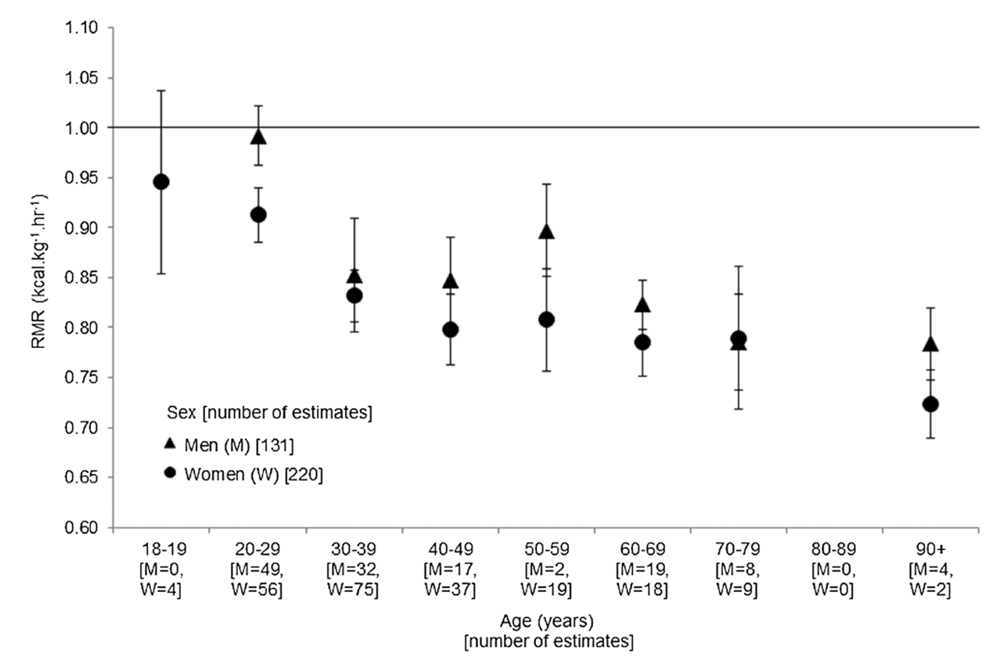

 |  |  |  |  |  |  |  |  |  | Try to paste values of the mean and std dev here for imad
 |  |  |  |  |  |  |  |  |  | Add more characterization of the subjects in the study

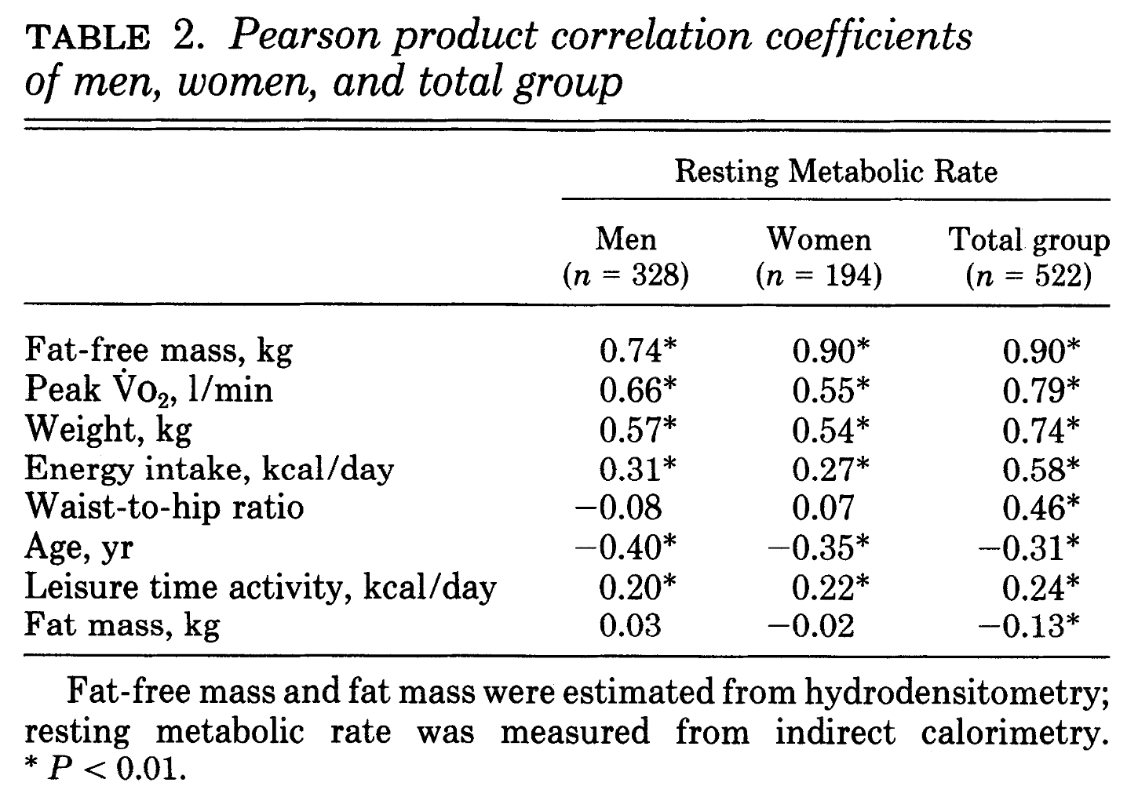
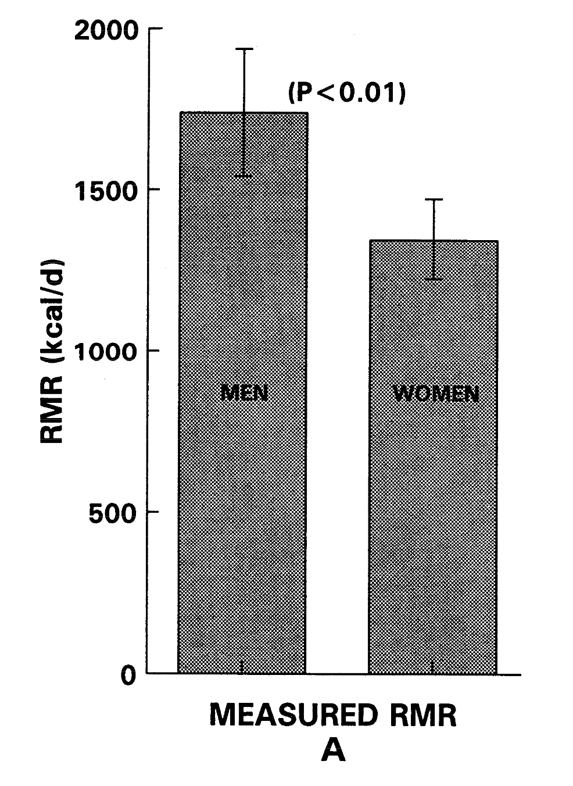

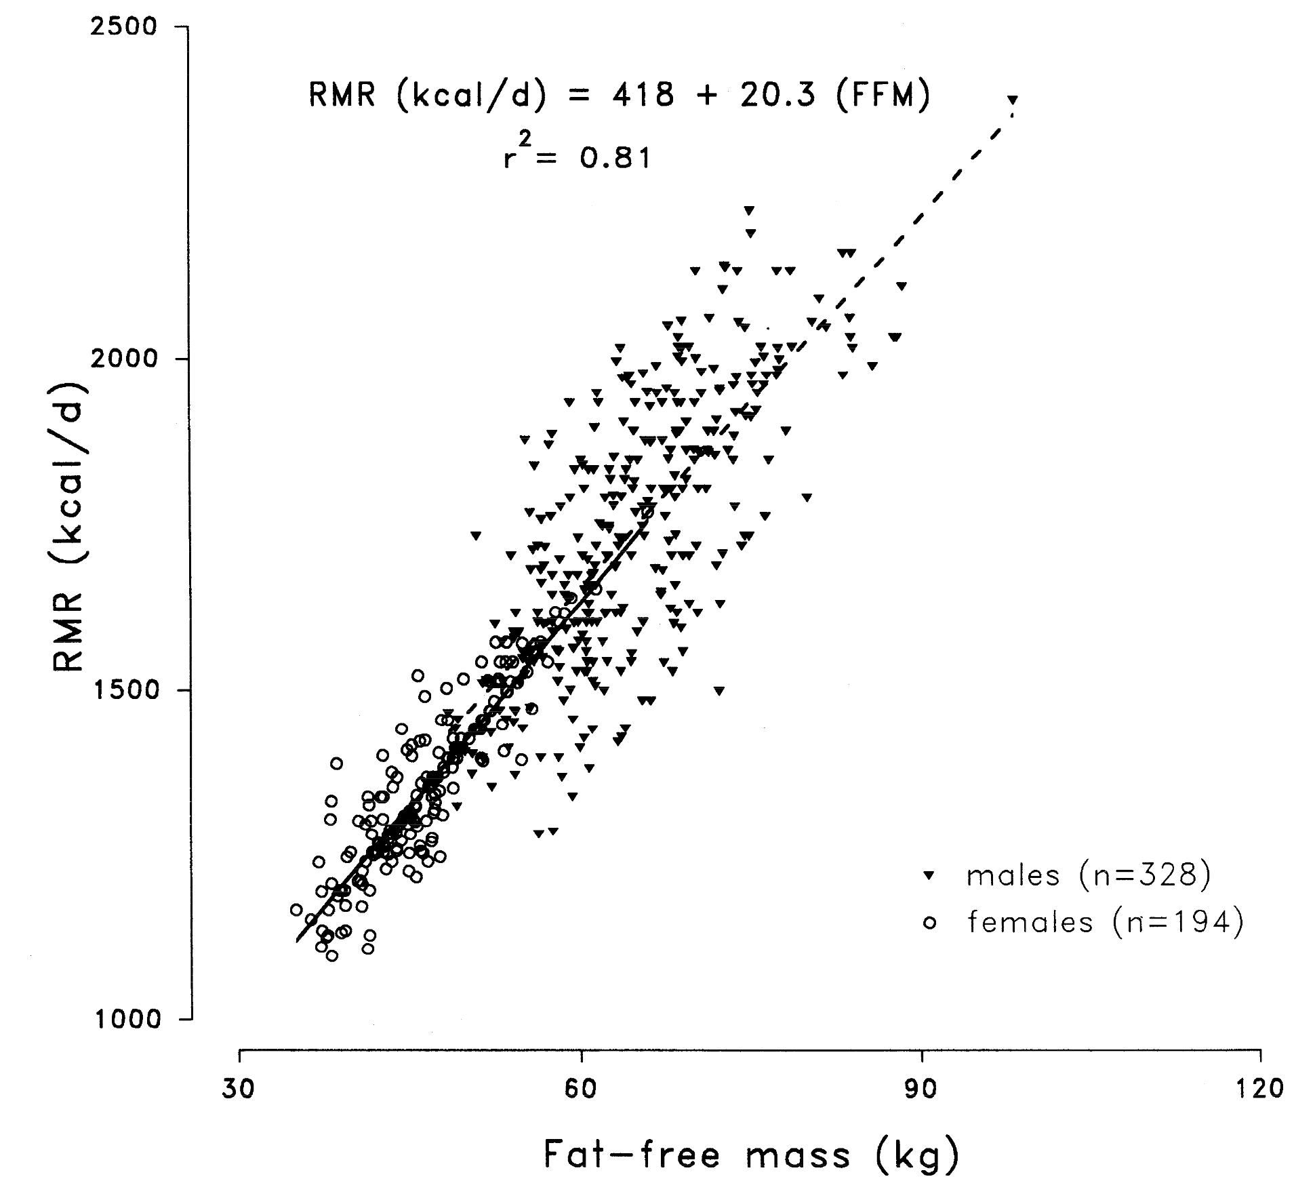

 |  |  |  |  |  |  |  |  |  |  |  | Arciero, P. J., M. I. Goran, and E. T. Poehlman. “Resting Metabolic Rate Is Lower in Women than in Men.” Journal of Applied Physiology 75, no. 6 (December 1, 1993): 2514–20. https://doi.org/10.1152/jappl.1993.75.6.2514.

 |  |  |  |  |  |  |  |  |  |  |  | Mcmurray, Robert G., Jesus Soares, Carl J. Caspersen, and Thomas Mccurdy. “Examining Variations of Resting Metabolic Rate of Adults: A Public Health Perspective.” Medicine & Science in Sports & Exercise 46, no. 7 (July 2014): 1352–58. https://doi.org/10.1249/MSS.0000000000000232.

